Supply Costs
 | THE BLACK STARS 2026 — SUPPLY COST TRACKER
 | MAS MENTALITY | TORONTO JUNIOR CARIBBEAN CARNIVAL
Item Code | ITEM | SUPPLIER | PHOTO | LINK | PACK SIZE | COST/PACK | UNIT COST | STOCK ON HAND | QTY ORDERED | TOTAL SPENT | USED IN
001A | Tear Drop Gem 17x28 | 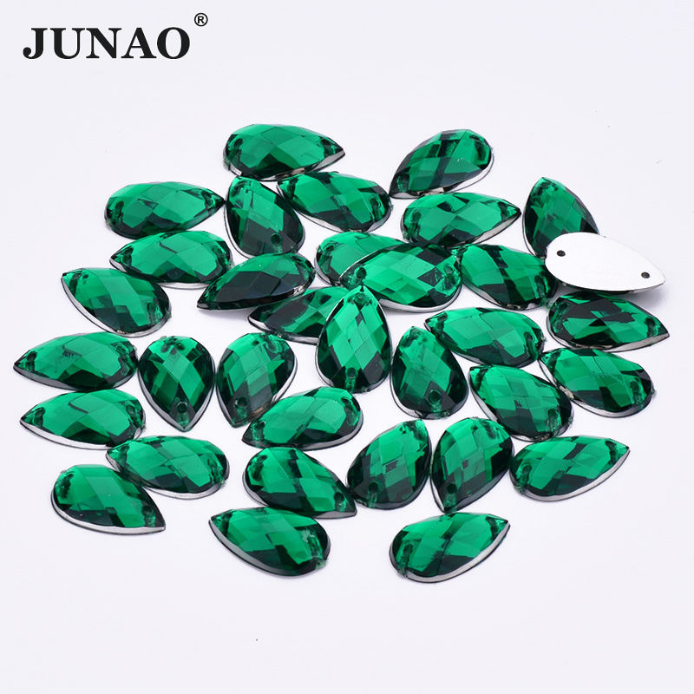 Alibaba |  | https://www.alibaba.com/product-detail/JUNAO-10-14mm-8-13mm-13_1600941589618.html?spm=a2756.trade-list-buyer.0.0.9f4f76e9xx0Z91 | 200/bag | CA$9.00 | CA$0.05 |  |  | 0
002A | Horse Eye Gem 30x62 | Alibaba |  | https://www.alibaba.com/product-detail/JUNAO-Dark-Blue-Big-Size-Acrylic_1600978630340.html | 50/bag | CA$13.00 | CA$0.26 |  |  | CA$0.00
100AB | Rectangle Hot Fix Trim | Alibaba |  | https://www.alibaba.com/product-detail/Wholesale-AB-Rhinestone-Trim-Ribbon-Trimming_1601411977233.html?spm=a2756.trade-list-buyer.0.0.5eff76e9IYTpb8 | per yard | CA$3.60 | CA$3.60 | CA$3.60 |  | CA$0.00
101AB | Diamond Tape | Alibaba |  | https://www.alibaba.com/product-detail/Hot-Sale-AB-Gems-Hot-Fix_1600917442422.html | per yard | CA$1.60 | CA$1.60 | CA$1.60 |  | CA$0.00
102A | Gold Half Pearl Trim | Alibaba |  |  | 10 yds/pack | CA$8.00 | CA$0.80 | CA$0.80 |  | CA$0.00
103A | Gold Pointy Half Pearl | Alibaba |  |  | 10 yds/pack | CA$12.00 | CA$1.20 | CA$1.20 |  | CA$0.00
104AB | Diamond Yellow AB Gem | McDonald & Wang |  |  | 200/bag | CA$30.00 | CA$0.15 | CA$0.15 |  | CA$0.00
200T | Rooster Feather | Alibaba |  | https://www.alibaba.com/product-detail/Wholesale-BOHO-B-D10-12-Inch_1601394463437.html?spm=a2756.trade-list-buyer.0.0.9f4f76e9fg1fIR | per meter | CA$4.00 | CA$4.00 | CA$4.00 |  | CA$0.00
201S | Ostrich Plumes | McDonald & Wang |  |  | per plume | CA$3.50 | CA$3.50 | CA$3.50 |  | CA$0.00
500 | Glue Sticks | McDonald & Wang |  |  | per pound | CA$30.00 | CA$30.00 | CA$30.00 |  | CA$0.00
003AB | 30X40 rectangles | Alibaba | 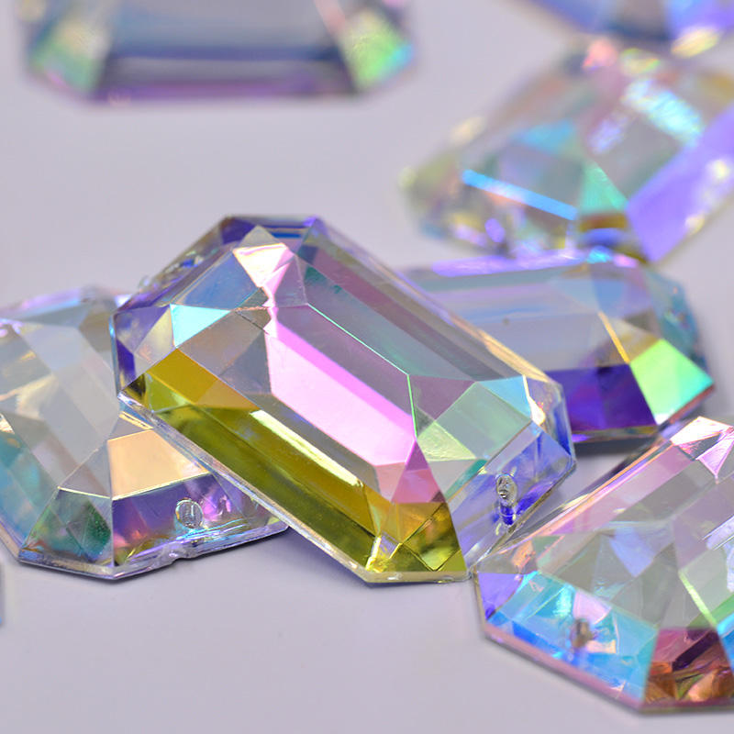 | https://www.alibaba.com/product-detail/JUNAO-30-40mm-Flatback-Sewing-AB_1601234539119.html | 50/bag | CA$7.00 | 0.14 |  |  |  | Applique 1 | 1
004AB | 16*30mm Gold Tear Drop Gems | Alibaba |  | https://www.alibaba.com/product-detail/16-30mm-Big-Size-Sewing-Gold_62158951888.html | 200/bag | CA$10.00 | 0.05
005AB | Wholesale Bulk Flat Back Resin Gems |  |  | https://www.alibaba.com/product-detail/Wholesale-Bulk-Flat-Back-Resin-Gems_1601231466090.html | 1000/bag | CA$420.00 | 0.42
006AB | 17 by 28 Iridescent Tear Drop Gems |  |  | https://www.alibaba.com/product-detail/17-28mm-Big-Size-Sewing-Flatback_62147604738.html | 200/bag | CA$10.00 | 0.05 |  |  |  | Applique 1 | 4
 |  | Shein |  | https://share.temu.com/BZFIpiuggjA | 50/bag | CA$2.50 |  |  |  |  | Applique 1 | 2
 |  | John Bead |  |  | 20/bag | CA$7.00 |  |  |  |  | Applique 1 | 2
 |  | Temu |  | https://share.temu.com/A2bR0q7nXdA | 50/bag | CA$2.00 |  |  |  |  | Applique 1 | 2
 |  | Temu |  | https://share.temu.com/HV3ITX0pLLA | 20/bag | CA$1.50
 | TOTAL SUPPLY SPEND |  |  |  |  |  |  |  |  | 0

